Hiearchy View
CLASS: EQUIPMENT CABINET
enclosed box or structure used to house equipment for the operation, maintenance, or repair of a wireless communication antenna. |  | 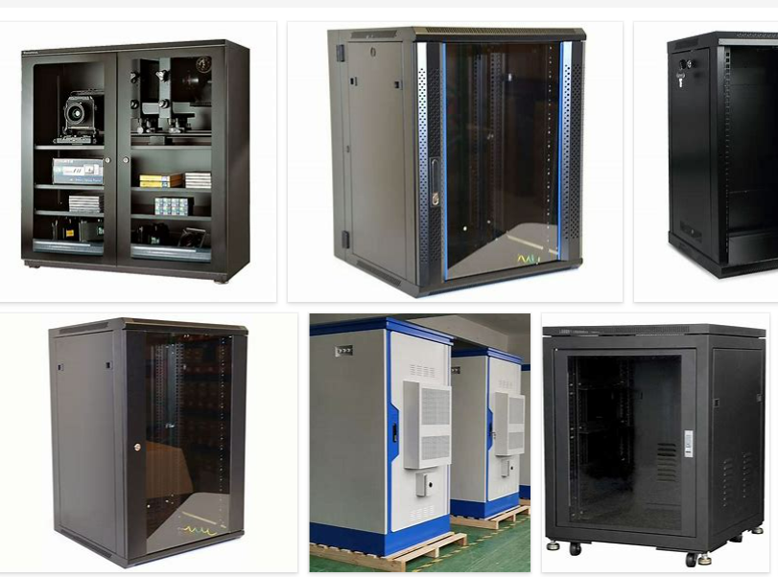
REMOVE | N

PROBLEM_DESC | CAUSE_DESC | REMEDY_DESC
BROKEN/DAMAGED
OTHER PROBLEM
OVERHEATING
POWER-ELEC
STOPPED/SLOWED/POOR OPS
TEMP-CTRL
VIBRATION
Grand Total

